PROFIT DASHBOARD
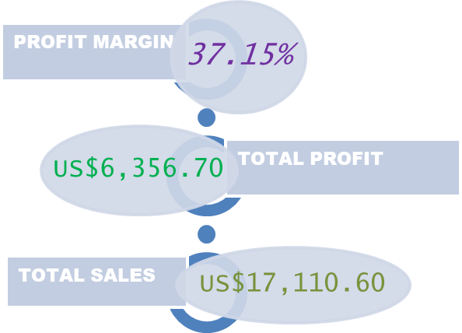
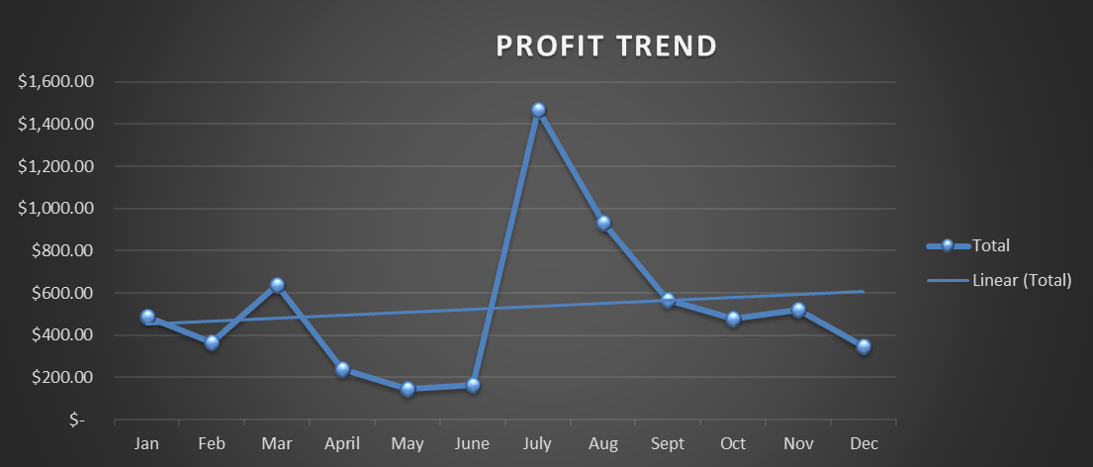
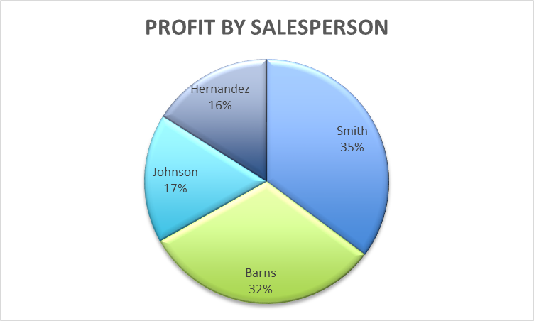

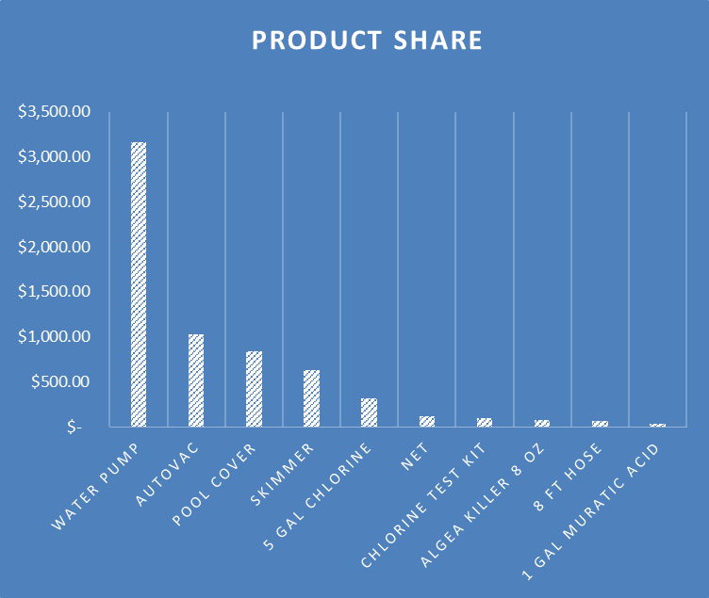
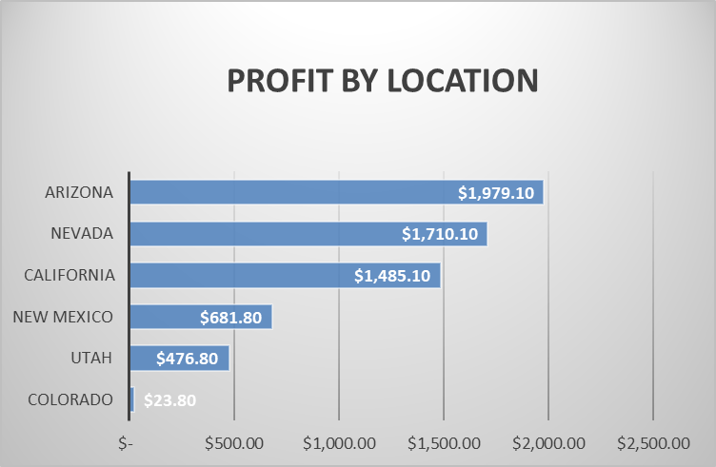

PRODUCT SHARE
PRODUCT SHARE

Row Labels | Sum of Profit
Water Pump | $3,160.00
AutoVac | $1,024.00
Pool Cover | $842.10
Skimmer | $630.00
5 Gal Chlorine | $315.00
Net | $117.60
Chlorine Test Kit | $100.00
Algea Killer 8 oz | $75.00
8 ft Hose | $60.00
1 Gal Muratic Acid | $33.00
Grand Total | 6356.7

PROFIT BY LOCATION
PROFIT BY LOCATION
Row Labels | Sum of Profit
COLORADO | $23.80
UTAH | $476.80
NEW MEXICO | $681.80
CALIFORNIA | $1,485.10
NEVADA | $1,710.10
ARIZONA | $1,979.10
Grand Total | 6356.7

PROFIT TREND
PROFIT TREND
Row Labels | Sum of Profit
Jan | $486.70
Feb | $365.70
Mar | $639.80
April | $240.90
May | $146.70
June | $163.60
July | $1,466.20
Aug | $935.40
Sept | $569.20
Oct | $477.10
Nov | $519.30
Dec | $346.10
Grand Total | 6356.7

PROFIT BY SALESPERSON
PROFIT BY SALESPERSON
Row Labels | Sum of Profit
Smith | $2,235.90
Barns | $2,015.10
Johnson | $1,084.10
Hernandez | $1,021.60
Grand Total | 6356.7

